Summary
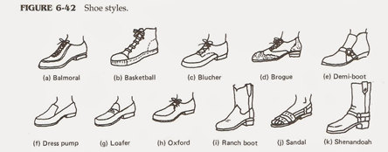
Hot Shoe Shuffle's Sales Trends & Data 2014

Total Profit per Month
 | Jan | Feb | Mar | Apr | May | Jun | Jul | Aug | Sep | Oct | Nov | Dec
Total Profit per Month | $50,635.60 | $48,180.50 | $24,621.30 | $19,135.40 | $7,385.10 | $14,652.00 | $48,180.50 | $41,452.70 | $14,652.00 | $24,621.30 | $36,380.50 | $36,380.50
Total Annual Products Sold
 | Balmoral Black Leather | Balmoral Brown Leather | Balmoral Tan Leather | Balmoral Tan Rubber | Brogue Black Leather | Brogue Brown Leather | Brogue Tan Rubber | Demi-boot Black Leather | Demi-boot Brown Leather | Demi-boot Tan Rubber | Dress pump Black Leather | Loafer Black Rubber
Total Annual Products Sold | 151 | 87 | 116 | 195 | 139 | 226 | 123 | 220 | 100 | 139 | 159 | 182

 | Total Products Sold per Month
Jan | 527
Feb | 503
Mar | 257
Apr | 200
May | 78
Jun | 154
Jul | 503
Aug | 433
Sep | 154
Oct | 257
Nov | 377
Dec | 377

